no_MALDI_ID PCR_candidates
MALDI "NO ID" (initial ID) |  | Associated with an IMI? | SCC
BJ041 | Corynebac | yes; 739 RH second | 13,000
BJ042 | CNS | yes; 693 LH second | 8,000
BJ058 | Corynebac | yes; 741 RH third | 36,000
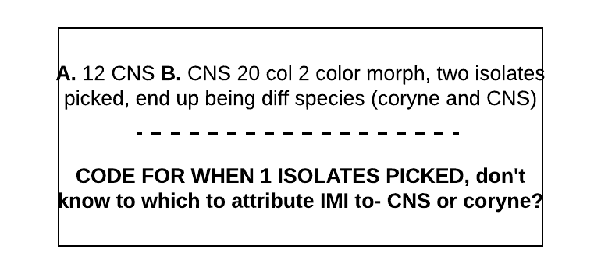
BJ066 | ? | yes; 693 LF third | 37,000

BW034 | Corynebac | unclear, see right; Love RH first | 13,000
BW075 | Strep | yes, mixed with CNS; Pomme RH second | 230,000
BW154 | ? | yes; Gabrielle RF third | 8,000

CF007 | CNS | yes, mixed with strep; 66 RH first | 5,000
CF087 | CNS | yes,; 54 LH second | 18,000
CF126 | Corynebac | yes; 74 RH second | 77,000
CF133 | ? | yes; 35 RH second | 6,000
CF145 | Corynebac | yes; 32 LF third | 1,100,000
CF152 | Corynebac | yes; 12 LH third | 19,000
CF155 | Corynebac | yes; 74 RH third | 43,000
CF166 | Corynebac | yes, mixed with strep; 86 RH third | 120,000
CF193 | ? | yes; 57 LH fourth | 18,000 | GX2-9P4-RSS-QZQ
CF217 | Corynebac | no, contam; 74 RH fourth

GV071 | Strep | yes, mixed with next isolate; 42 LH second | 4,000,000
GV072 | ? | yes, mixed with prev. isolate; 42 LH second | 4,000,000
GV089 | CNS | yes; 207 LH second | 66,000
GV136 | CNS | yes; 207 LH third | 111,000

LF013 | CNS | yes; Jitterbug LH first | 6,000
LF015 | CNS | yes; Lilac RH first | 20,000
LF019 | Strep | yes; Amarillo LH first | 61,000
LF020 | CNS | yes; Amarillo LF first | 7,000
LF027 | CNS | no; Lovage RH first | 970,000
LF067 | CNS | yes; Chaloopa RH second | 100,000
LF079 | CNS | yes; Lilac RH second | 21,000

OB016 | Corynebac | yes, mixed with strep; Peonie RH first | 8,000
OB031 | CNS | yes; Spice LH first | 34,000
OB035 | CNS | no; Whinnie LF first | 6,000
OB060 | Corynebac | yes; Teach LF second | 6,000
OB139 | Gramneg.noncoli | no, contam; Kooper RH third | 30,000

PB041 | CNS | yes; Marney382 LH second | 26,000
PB063 | Corynebac | yes; Champne25 RH third | 0
PB065 | Corynebac | no, contam; GloryBe29 LH third | 13,000
PB087 | CNS | yes, mixed with strep; Marney 382 RH third | 72,000

SP002 | CNS | yes; Zag LF first | 10,000

VT029 | CNS | yes; Imogene LH first | 2,000
VT035 | ? | yes, Lena RH second | 6,000
VT036 | CNS | yes, Lena RF second | 8,000
VT064 | Corynebac | yes; Vera RF third | 10,000
VT083 | CNS | yes; Tilly LH third | 25,000
VT102 | CNS | no (sampling error, disclude); Gloria LH third | 6,000
VT105 | Corynebac | unclear, see right; Abigail LF third | 200,000

